Model Architecture
OHLCV + Macro Indicators
OHLCV
Input2

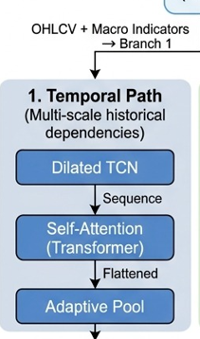
Feature Engineering (assigning weights)
Daily values
 |  | Snap Shot |  |  | 1 | Macro Indicators
 |  |  |  |  | 2 | Sentiment Analysis
 |  |  |  |  | 3 | News
 |  |  |  |  | 4 | Global Events
Input 3
Multimodal Data Processing

OHLCV + Macro Indicators
Technical + Sentiment Analysis
Input1

 |  |  |  | Micro View

Adaptive Cross Modal Fusion system

Regime Decision Engine (Bull / Br)
CMMH

XAI Layer
 | Feedback

Fine tuning of Prediction based on temporal & CMMH

Final Prediction Processing block
Presentation Layer
 |  |  | Macro View of Architecture

